ENGLISH GIRI ROI
 | Business Case Calculator: the GIRI factor

 | Please input your values in the blue cells

 | Total savings

 | STEP 1: Let your employees qualify themselves
 | Savings | € 217,890
 | STEP 2: Let your foremen and workers create the instructions themselves
 | Savings | € 148,185
 | STEP 3: Make updates in 5 minutes - always up-to-date documents
 | Savings | € 8,891

 | Sum of your annual savings with GIRI
 | € 374,966

 | INPUT CELLS |  | Result cell costs / effort |  | Result cell savings

 | Basic data
 |  |  |  |  | Aprox working days | 196.25
 |  |  | 21% | 20% |  | 1570
 |  | Gross annual salary | Social charges (example Germany 21%) | Overhead (typically 20%) | Annual salary + wage + overhead | Hours per year (typically 1577 hours/year)
 | Costs Expert | € 60,000 | € 12,600 | € 12,000 | € 84,600 | € 54
 | Worker costs | € 45,000 | € 9,450 | € 9,000 | € 63,450 | € 40

STEP 1: Let your employees qualify themselves

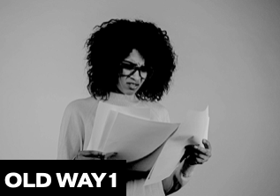
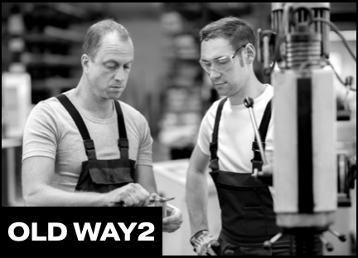
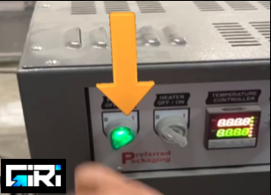

 | Old way 1 |  | Old way 2 |  | New way: with GIRI
Activity | You create expensive, textless documents that no one reads. |  | Your experts train the employees 1:1 |  | Staff take out their handheld or glass and qualify themselves
Result | Your employees make many mistakes. Therefore, where possible, you switch back to 1:1 training (old way 2). |  | Expert stressed - because he has other tasks to do. Employee stressed - because someone who is already stressed is continuously watching his back CEO stressed - because the process does not scale and does not make the company flexible |  | Employee happy - because he can learn himself any other work and procedures and is independent. Expert happy - because he can qualify 10 times the number of people and has more time for his own tasks. CEO happy - because his company becomes more flexible with user-friendly digital solutions.
Cost comaprision | A poorly trained (paper-based) employee produces 12,000€ of errors per year. Assume 50% of your training is paper-based: Cost of error / employee 6.000 € |  | At least 50 hours of 1:1 qualification and small trainings/year. => 50 hours x 80 € for the expert/ master. Annual training costs per employee are €4,000 |  | Reduction of the error rate by 70%: 1) previously paper-based € 6,000 => with Giri: € 1,800 - 2) Reduction of expert time for training - 90% less time spent: previously expert-based € 4,000 => with Giri: € 400
 | Now Calculate by yourself

 | Consequential error costs per employee per month for poor (paper-based) training |  | Hours your experts spend on training / instruction / AD-Hoc help per day |  | Better training of staff through GIRI - reduction in errors
Your costs | € 1,000 |  | 2.5 |  | 62%

 | Percentage of paper-based training |  | Number of experts |  | Saved time for experts
 | 50% |  | 5 |  | 80%

 | Number of employees
 | 30

 | € 6,000
 | TTL sequence error costs per worker / year
 | € 180,000 |  |  |  | € 112,140
 | Total consequential error costs |  |  |  | Total savings in Errors
 | € 26,438
 | Annual costs per expert
 | € 132,188 |  |  |  | € 105,750
 | Total qualification costs per year (all experts) |  |  |  | Total savings on Experts costs
 | € 217,890
 | Total savings with GIRI in Step 1

STEP 2: Your workers create the instructions themselves

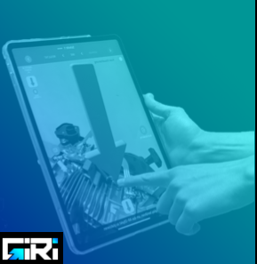
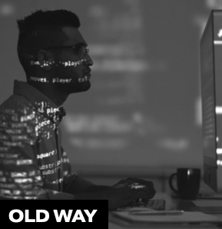

 | Old way 1 |  |  | New way: with GIRI
Activity | Your IT staff creates your work instructions (as video or augmented reality instructions). |  |  | Your employees create work instructions with their smartphone or tablet directly at the machine or workplace and share them immediately.
Result | Your production experts spend many iterations with your IT department to create tutorials |  |  | Intuitive instructions from the know-how carrier are available in 15-30 minutes.
Cost comaprision | 2 working days by 2 people. This will cost you 1,500 € per working instruction. |  |  | The creation of a guide costs you a maximum of €50 with GIRI.
 | Now Calculate by yourself

 | How many instructions do you create per year
Your costs | 100

 | IT Expert hours needed for creating a work instruction |  |  | Hours needed for creating a work instruction with GIRI
 | 16 |  |  | 1

 | Line Expert hours needed for creation in cooperation with IT
 | 16

 | € 1,509 |  |  | € 27
 | Total costs / instruction WITHOUT GIRI |  |  | GIRI Total costs / instruction
 | € 150,879 |  |  | € 2,694
 | Total costs for all instructions WITHOUT GIRI |  |  | Total costs for all Instructions created with GIRI
 | € 148,185
 | Total savings With Giri

STEP 3: Perform updates in 5 minutes - always up-to-date

 | Old way 1 |  |  | New way: with GIRI
Activity | Your IT staff carry out the updates or re-cut the videos. |  |  | Your employees carry out and release updates with GIRI within 90 seconds directly at the workstation or on the production floor. Done!
Result | You have to wait for an IT person to update your work instructions. This costs time, money and communication. |  |  | The update is ready and released after 5 minutes.
Cost comaprision | 50 € for each update |  |  | An update costs you only €5 instead of €50.
Your costs | Now Calculate by yourself

 | How many Updates do you do per year
 | 100

 | Update by IT Expert-Duration (hours) |  |  | GIRI Update by worker (hours)
 | 1 |  |  | 0.1

 | Update by Master-Duration in cooperation with Your IT (hours)
 | 1

 | € 94 |  |  | € 5
 | Costs / update |  |  | Costs per update with GIRI
 | € 9,430 |  |  | € 539
 | Total costs for updates |  |  | Total costs per updates with GIRI
 | € 8,891
 | Total savings with GIRI in Step 3

 | MEET US HERE | https://www.ar-giri.com/ |  | EXAMPLES HERE: | https://www.ar-giri.com/kundenbeispiele

